Sheet1
Setting up Prettier and VS code
Prettier - helps you to format your code easily
Set prettier as default formatter in settings
And also check the format on save option in settings
Configuring prettier is also possible

Automating some part of code using snippets
File-->Preferences-->user snippets-->New Global Snippets File-->Give a name for the file and press enter
The will also have all the explanations
Write the code for which you wanna automate
"Print to console": {
"scope": "javascript,typescript",
"prefix": "cl",
"body": ["console.log('$1');"],
"description": "Log output to console"
}
}

Heading/ title - The action which we wanna do
Scope - The scope of language which requires this automation
here, it works in Javascript and typescript but not in HTML<CSS<Python etc.,
The term we give here is what we are gonna use
Prefix & body - What we have to type should be in prefix and what we want back should be in body
In this case - If we type cl and press enter we will get console.log()
we use $1 or $2 for positioning the cursor
Once we get the console.log();, as per the above code, the cursor will be within parenthesis (@ $1 position)
If it is not given, the cursor will be at the end
But If we give the popsition using $1/$2, the autofill command will not work at that time only
So we have go to above or below line and come back again to the parenthesis to make autofilling work
If we need auto filling to work instantly, just remove $1 in snippets code

Also if you open snippets again
File-->Preferences-->user snippets-->
We can see the already existing snippets there

Use TODO Highlight to highlight some words for better understanding of code
Settings--> open settings (JSON format) @top right corner and edit the code as below
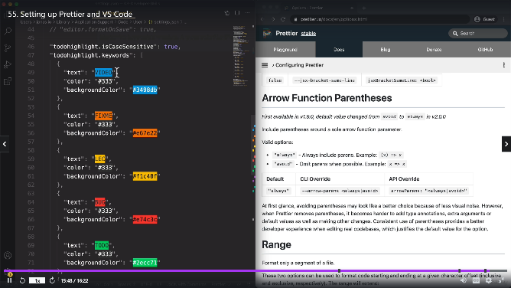

 | Try to implement this
 | Try to go through all of his extension -
 | -and other extensions also

Installing Node.js and setting up a dev environment
Till now, we have changed the code and refreshed the page in web browser
Instead we can make the page reload automatically when we change and save the code
Install livserver extension for that
And press golive at the right bottom in VS code
Why livserver not working

But there is a more professional way to do it by using node JS
Node JS is a JavaScript Runtime
What is runtime and runtime application?
Use google and Install Node JS
Once it is installed open vs code terminal and type node -v
To get the version of node js installed

npm install live-server -g
Type above command in terminal and hit enter
Then live server will get downloaded
npm means note package manager
We are telling to install live-server
And g refers to install globally

Learning how to Code

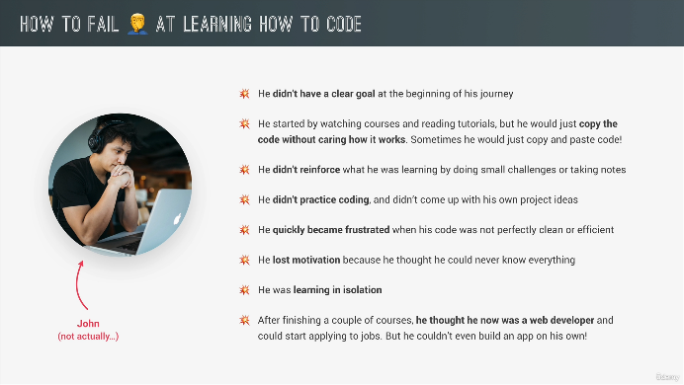

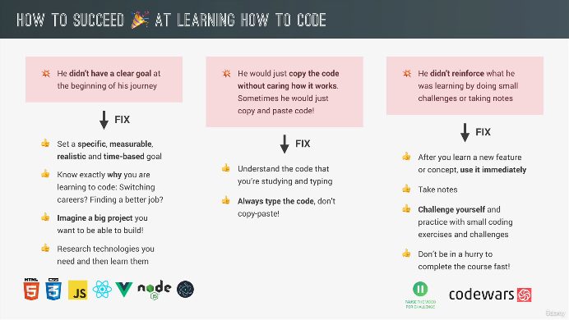
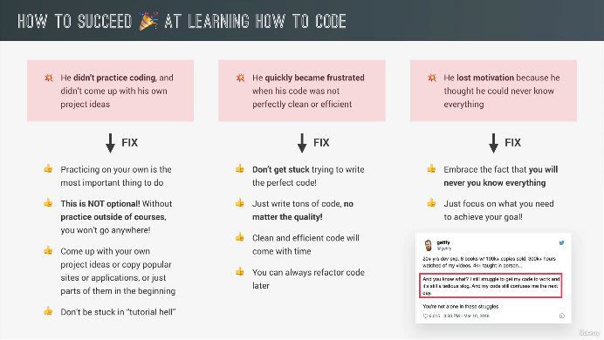

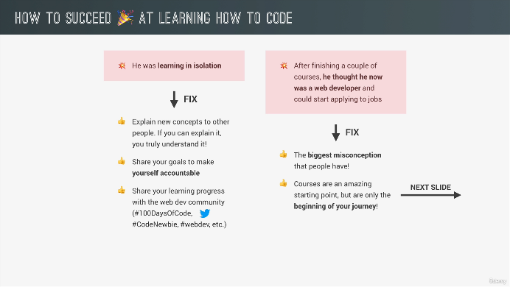
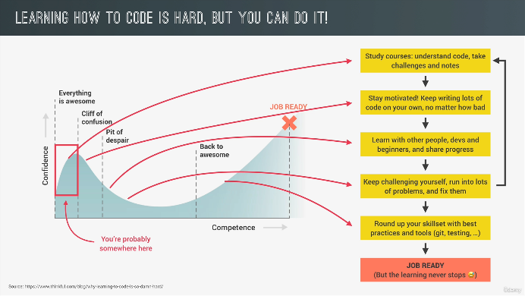

How to think like a developer?

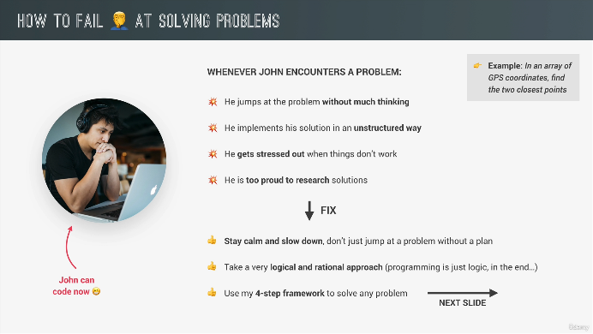

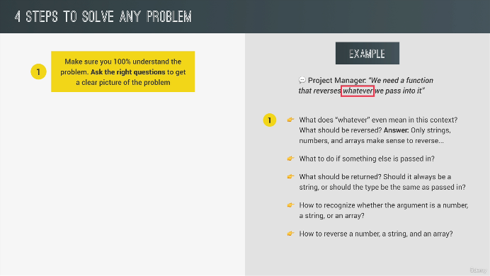
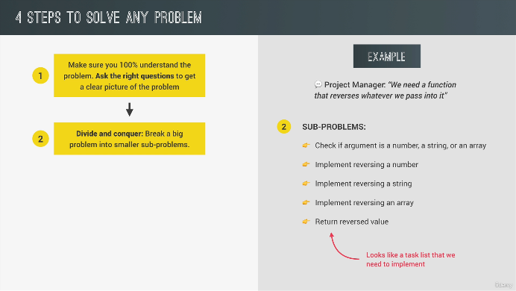

 | Pseudocode is note a done for computers
 | It is for humans
 | There is no rules to write pseudocode
 | It is just like the program flow what we have in mid
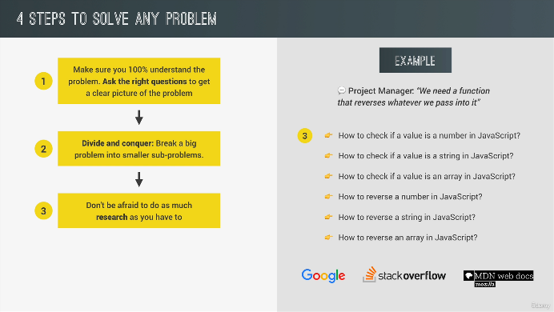
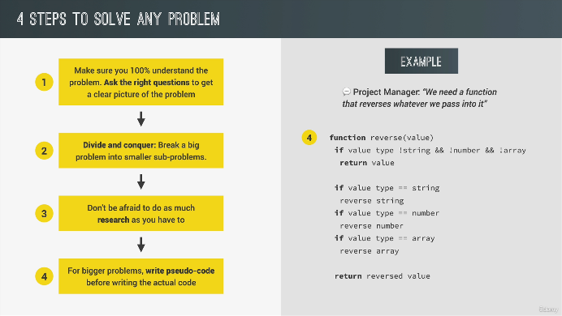

Using google, stack overflow and MDN - No notes. Watch video (Important video)
This vdo explains the implementation of the above 4 steps in programming

How to think like a developer?

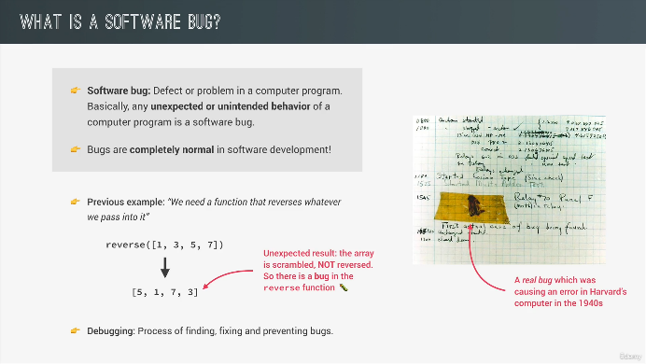
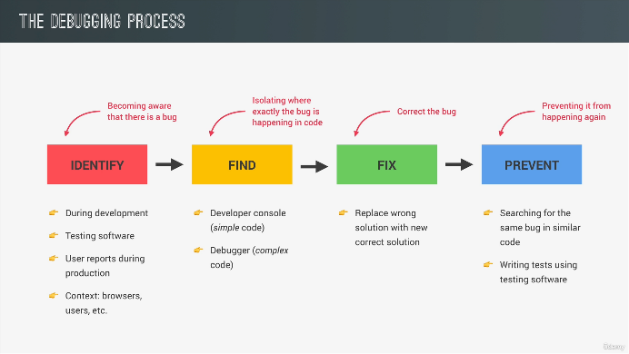

Debugging with console and breakpoints - No notes. Watch video (Important video)
Use source in dev tools for debugging
This vdo explains the process of debugging
Similar to console.log(), there is also console.warn(), console.error(), console.table() etc
Study about these and other available console functions

